Sheet1
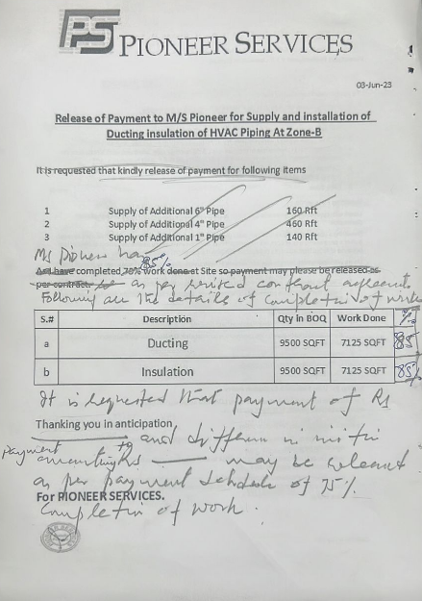
PIONEER SERVICES
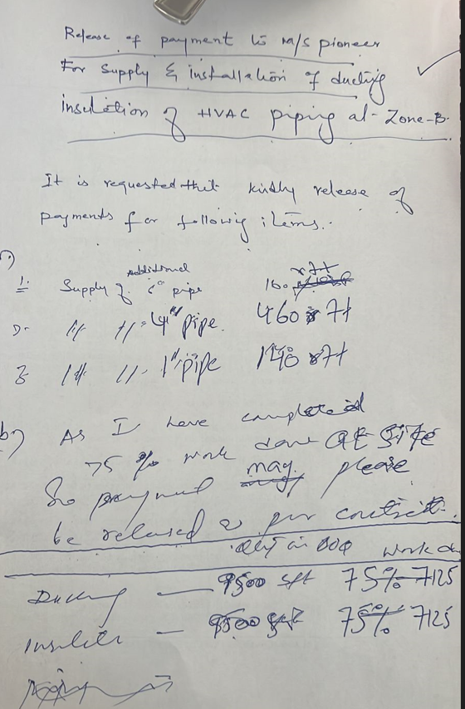


 |  |  |  | 3-Jun-23

Release of Payment to M/S Pioneer for Supply and installation of Ducting insulation of HVAC Piping At Zone-B

M/S Pioneer Has completed 85% work at site as per revised contract agreement.

Following are the details of completion of works

S.# | Description | Qty in BOQ | Work Done | Percentage
1 | Ducting | 9500 SQFT | 8075 SQFT | 85%
2 | Insulation | 9500 SQFT | 7600 SQFT | 80%
3 | Piping | 2940 RFT | 2352 RFT | 80%

It is requested that payment of Rs 5,410,803/= and difference in initial payment amounting Rs 1,518,005 may be released as per payment schedule of 75% completion of work.

Thanking you in anticipation

For PIONEER SERVICES.

